Statisticl Stats Work
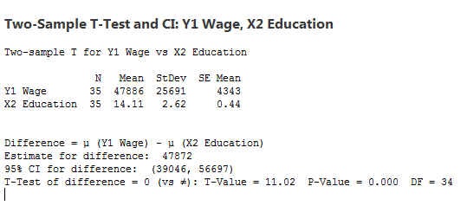

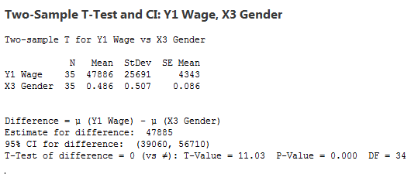
 | Y1 Wage | X2 Education | X3 Gender | X4 Experience | X5 Marital | X6 Children | X7 Age
Y1 Wage | 1
X2 Education | 0.472 | 1.000
X3 Gender | 0.028 | -0.021 | 1.000
X4 Experience | 0.313 | 0.072 | 0.049 | 1.000
X5 Marital | 0.302 | 0.374 | -0.083 | 0.113 | 1.000
X6 Children | 0.243 | 0.312 | -0.262 | -0.062 | -0.139 | 1.000
X7 Age | 0.357 | 0.112 | 0.081 | 0.992 | 0.130 | -0.040 | 1

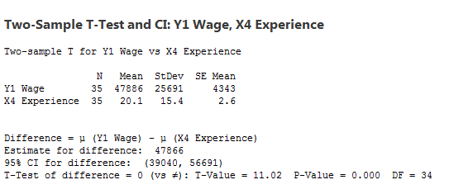
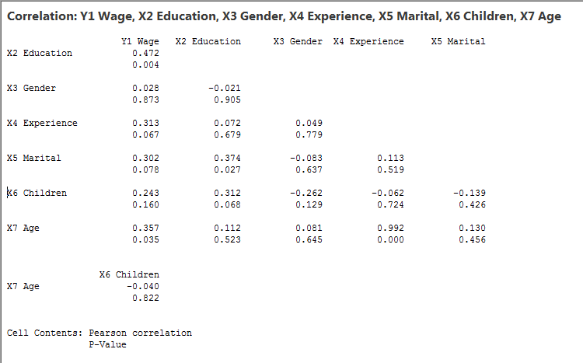

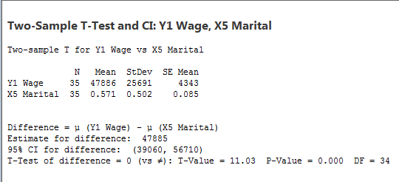

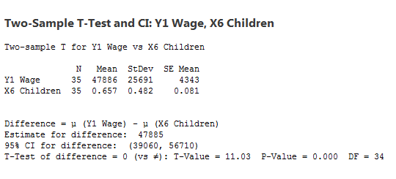

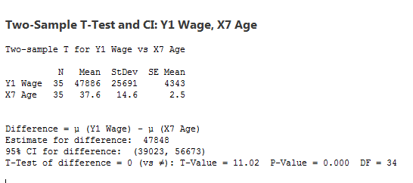

SUMMARY OUTPUT

Regression Statistics
Multiple R | 0.62196808446
R Square | 0.38684429808
Adjusted R Square | 0.25545379053
Standard Error | 22168.070172
Observations | 35

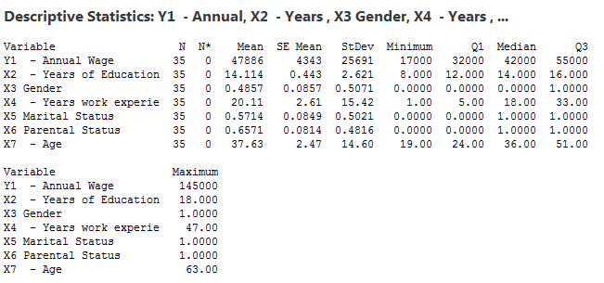
ANOVA
 | df | SS | MS | F | Significance F
Regression | 6 | 8681189472.3 | 1446864912.1 | 2.9442332272 | 0.023493671668
Residual | 28 | 13759853385 | 491423335.17
Total | 34 | 22441042857

 | Coefficients | Standard Error | t Stat | P-value | Lower 95% | Upper 95% | Lower 95.0% | Upper 95.0%
Intercept | -66520.974745 | 40487.524784 | -1.6429992967 | 0.11156763958 | -149455.90967 | 16413.960176 | -149455.90967 | 16413.960176
X2 Education | 2648.6253028 | 1754.0365667 | 1.510017153 | 0.14224262388 | -944.35572745 | 6241.606333 | -944.35572745 | 6241.606333
X3 Gender | 1130.5031882 | 8329.6554502 | 0.13572028219 | 0.89301346185 | -15932.022525 | 18193.028901 | -15932.022525 | 18193.028901
X4 Experience | -2349.533922 | 2096.4028589 | -1.1207454292 | 0.27191709221 | -6643.8205102 | 1944.7526663 | -6643.8205102 | 1944.7526663
X5 Marital | 8325.382637 | 8739.514455 | 0.95261386429 | 0.3489375028 | -9576.7011885 | 26227.466463 | -9576.7011885 | 26227.466463
X6 Children | 8926.2892989 | 9293.8162622 | 0.96045467728 | 0.34504760115 | -10111.230307 | 27963.808905 | -10111.230307 | 27963.808905
X7 Age | 3005.9637333 | 2226.0179207 | 1.3503771489 | 0.18770953407 | -1553.8272733 | 7565.7547399 | -1553.8272733 | 7565.7547399

Anova: Single Factor

SUMMARY
Groups | Count | Sum | Average | Variance
Y1 Annual Wage | 35 | 1,676,000.00 | 47,885.71 | 660030672.27
X2 Education | 35 | 494.00 | 14.11 | 6.87
X3 Gender | 35 | 17.00 | 0.49 | 0.26
X4 Experience | 35 | 704.00 | 20.11 | 237.75
X5 Marital Status | 35 | 20.00 | 0.57 | 0.25
X6 Parental Status | 35 | 23.00 | 0.66 | 0.23
X7 Age | 35 | 1,317.00 | 37.63 | 213.24

ANOVA
Source of Variation | SS | df | MS | F | P-value | F crit
Between Groups | 68756062436 | 6 | 11459343739 | 121.53276175 | 1.4267952235E-69 | 2.1368002846
Within Groups | 22441058450 | 238 | 94290161.553

Total | 91197120886 | 244

Y1 Wage = -66521 + 2649 X2 Education + 1131 X3 Gender - 2350 X4 Experience + 8325 X5 Marital + 8926 X6 Children + 3006 X7 Ag

 | Y1 Wage | X2 Education | X3 Gender | X4 Experience | X5 Marital | X6 Children | X7 Age
Y1 Wage | 1
X2 Education | 0.47152051446 | 1
X3 Gender | 0.028091304434 | -0.020865841781 | 1
X4 Experience | 0.31261287533 | 0.07244792227 | 0.04911572873 | 1
X5 Marital | 0.30162325607 | 0.37357510057 | -0.082512295248 | 0.11288541065 | 1
X6 Children | 0.24277570314 | 0.3115831728 | -0.26151604402 | -0.061901032141 | -0.13900960937 | 1
X7 Age | 0.35698588779 | 0.1118054357 | 0.08068647221 | 0.99150419701 | 0.13008495596 | -0.039551712556 | 1

SUMMARY OUTPUT

Regression Statistics
Multiple R | 0.62196808446
R Square | 0.38684429808
Adjusted R Square | 0.25545379053
Standard Error | 22168.070172
Observations | 35

ANOVA
 | df | SS | MS | F | Significance F
Regression | 6 | 8681189472.3 | 1446864912.1 | 2.9442332272 | 0.023493671668
Residual | 28 | 13759853385 | 491423335.17
Total | 34 | 22441042857

 | Coefficients | Standard Error | t Stat | P-value | Lower 95% | Upper 95% | Lower 95.0% | Upper 95.0%
Intercept | -66520.974745 | 40487.524784 | -1.6429992967 | 0.11156763958 | -149455.90967 | 16413.960176 | -149455.90967 | 16413.960176
X2 Education | 2648.6253028 | 1754.0365667 | 1.510017153 | 0.14224262388 | -944.35572745 | 6241.606333 | -944.35572745 | 6241.606333
X3 Gender | 1130.5031882 | 8329.6554502 | 0.13572028219 | 0.89301346185 | -15932.022525 | 18193.028901 | -15932.022525 | 18193.028901
X4 Experience | -2349.533922 | 2096.4028589 | -1.1207454292 | 0.27191709221 | -6643.8205102 | 1944.7526663 | -6643.8205102 | 1944.7526663
X5 Marital | 8325.382637 | 8739.514455 | 0.95261386429 | 0.3489375028 | -9576.7011885 | 26227.466463 | -9576.7011885 | 26227.466463
X6 Children | 8926.2892989 | 9293.8162622 | 0.96045467728 | 0.34504760115 | -10111.230307 | 27963.808905 | -10111.230307 | 27963.808905
X7 Age | 3005.9637333 | 2226.0179207 | 1.3503771489 | 0.18770953407 | -1553.8272733 | 7565.7547399 | -1553.8272733 | 7565.7547399

RESIDUAL OUTPUT

Observation | Predicted Y1 Wage | Residuals | Standard Residuals
1 | 26683.476624 | -9683.476624 | -0.48135320056
2 | 21813.238899 | 186.76110118 | 0.0092836547536
3 | 30739.528198 | -3739.5281977 | -0.18588714947
4 | 30265.454821 | -10265.454821 | -0.51028259014
5 | 22469.66871 | 21530.33129 | 1.0702451483
6 | 32313.173462 | 15686.826538 | 0.77977202343
7 | 31451.481158 | -11451.481158 | -0.56923843789
8 | 47470.06626 | -11470.06626 | -0.57016227945
9 | 43959.748654 | -13959.748654 | -0.69392119738
10 | 32891.174066 | -4891.174066 | -0.2431339882
11 | 46585.467899 | 414.53210064 | 0.020605858942
12 | 55093.206971 | -5093.2069708 | -0.25317678471
13 | 56223.710159 | 8776.289841 | 0.43625810936
14 | 77967.698218 | -2967.6982184 | -0.14752047133
15 | 56406.066593 | 13593.933407 | 0.67573699071
16 | 42104.097482 | -104.097482 | -0.0051745522891
17 | 44808.245934 | 16191.754066 | 0.80487132307
18 | 61680.411141 | 18319.588859 | 0.91064326093
19 | 64329.036444 | 35670.963556 | 1.773157838
20 | 64985.466256 | -27985.466256 | -1.3911216265
21 | 41954.35814 | -8954.3581396 | -0.44510965605
22 | 35410.110246 | -3410.1102464 | -0.1695122057
23 | 26014.698459 | 11985.301541 | 0.59577396431
24 | 34262.499256 | 15737.500744 | 0.78229097317
25 | 68062.35282 | -34062.35282 | -1.6931958619
26 | 57143.86803 | -26643.86803 | -1.3244324998
27 | 58283.731797 | -7783.7317973 | -0.38691932231
28 | 48440.227046 | 36559.772954 | 1.817339413
29 | 47596.357975 | -2596.3579746 | -0.12906162419
30 | 58966.010084 | -26966.010084 | -1.340445768
31 | 62947.677167 | -24947.677167 | -1.2401170279
32 | 40329.321023 | 8670.6789772 | 0.43100832881
33 | 70743.463278 | -15743.463278 | -0.78258736308
34 | 83183.144538 | 61816.855462 | 3.0728365835
35 | 52421.762191 | -12421.762191 | -0.61746986331

SUMMARY OUTPUT

Regression Statistics
Multiple R | 0.62196808446
R Square | 0.38684429808
Adjusted R Square | 0.25545379053
Standard Error | 22168.070172
Observations | 35

ANOVA
 | df | SS | MS | F | Significance F
Regression | 6 | 8681189472.3 | 1446864912.1 | 2.9442332272 | 0.023493671668
Residual | 28 | 13759853385 | 491423335.17
Total | 34 | 22441042857

 | Coefficients | Standard Error | t Stat | P-value | Lower 95% | Upper 95% | Lower 95.0%
Intercept | -66520.974745 | 40487.524784 | -1.6429992967 | 0.11156763958 | -149455.90967 | 16413.960176 | -149455.90967
X2 Education | 2648.6253028 | 1754.0365667 | 1.510017153 | 0.14224262388 | -944.35572745 | 6241.606333 | -944.35572745
X3 Gender | 1130.5031882 | 8329.6554502 | 0.13572028219 | 0.89301346185 | -15932.022525 | 18193.028901 | -15932.022525
X4 Experience | -2349.533922 | 2096.4028589 | -1.1207454292 | 0.27191709221 | -6643.8205102 | 1944.7526663 | -6643.8205102
X5 Marital | 8325.382637 | 8739.514455 | 0.95261386429 | 0.3489375028 | -9576.7011885 | 26227.466463 | -9576.7011885
X6 Parental | 8926.2892989 | 9293.8162622 | 0.96045467728 | 0.34504760115 | -10111.230307 | 27963.808905 | -10111.230307
X7 Age | 3005.9637333 | 2226.0179207 | 1.3503771489 | 0.18770953407 | -1553.8272733 | 7565.7547399 | -1553.8272733

 | Y1 Annual Wage | X2 Education | X3 Gender | X4 Experience | X5 Marital | X6 Parental | X7 Age
Y1 Annual Wage | 641172653.06
X2 Education | 30841.632653 | 6.6726530612
X3 Gender | 355.51020408 | -0.02693877551 | 0.24979591837
X4 Experience | 120298.77551 | 2.8440816327 | 0.37306122449 | 230.95836735
X5 Marital | 3779.5918367 | 0.47755102041 | -0.020408163265 | 0.84897959184 | 0.24489795918
X6 Parental | 2917.9591837 | 0.38204081633 | -0.062040816327 | -0.44653061224 | -0.032653061224 | 0.22530612245
X7 Age | 130100.40816 | 4.1567346939 | 0.58040816327 | 216.87102041 | 0.92653061224 | -0.27020408163 | 207.1477551

 | Y1 Annual Wage | X2 Education | X3 Gender | X4 Experience | X5 Marital | X6 Parental | X7 Age
Y1 Annual Wage | 1
X2 Education | 0.47152051446 | 1
X3 Gender | 0.028091304434 | -0.020865841781 | 1
X4 Experience | 0.31261287533 | 0.07244792227 | 0.04911572873 | 1
X5 Marital | 0.30162325607 | 0.37357510057 | -0.082512295248 | 0.11288541065 | 1
X6 Parental | 0.24277570314 | 0.3115831728 | -0.26151604402 | -0.061901032141 | -0.13900960937 | 1
X7 Age | 0.35698588779 | 0.1118054357 | 0.08068647221 | 0.99150419701 | 0.13008495596 | -0.039551712556 | 1

Stats
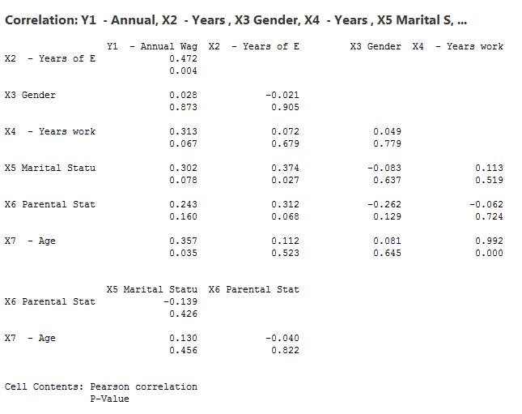
Regression Equation
Y1 - Annual Wage = -66521 + 2649 X2 - Years of Education + 1131 X3 Gender - 2350 X4 - Years work experience + 8325 X5 Marital Status + 8926 X6 Parental Status + 3006 X7 - Age

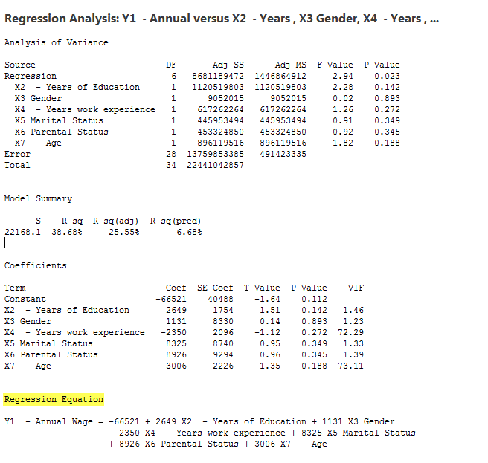
 | SUMMARY OUTPUT

 | Regression Statistics
 | Multiple R | 0.62196808446
 | R Square | 0.38684429808
 | Adjusted R Square | 0.25545379053
 | Standard Error | 22168.070172
 | Observations | 35

 | ANOVA
 |  | df | SS | MS | F | Significance F
 | Regression | 6 | 8681189472.3 | 1446864912.1 | 2.9442332272 | 0.023493671668
 | Residual | 28 | 13759853385 | 491423335.17
 | Total | 34 | 22441042857

 |  | Coefficients | Standard Error | t Stat | P-value | Lower 95% | Upper 95% | Lower 95.0% | Upper 95.0%
 | Intercept | -66520.974745 | 40487.524784 | -1.6429992967 | 0.11156763958 | -149455.90967 | 16413.960176 | -149455.90967 | 16413.960176
 | X2 Education | 2648.6253028 | 1754.0365667 | 1.510017153 | 0.14224262388 | -944.35572745 | 6241.606333 | -944.35572745 | 6241.606333
 | X3 Gender | 1130.5031882 | 8329.6554502 | 0.13572028219 | 0.89301346185 | -15932.022525 | 18193.028901 | -15932.022525 | 18193.028901
 | X4 Experience | -2349.533922 | 2096.4028589 | -1.1207454292 | 0.27191709221 | -6643.8205102 | 1944.7526663 | -6643.8205102 | 1944.7526663
 | X5 Marital | 8325.382637 | 8739.514455 | 0.95261386429 | 0.3489375028 | -9576.7011885 | 26227.466463 | -9576.7011885 | 26227.466463
 | X6 Parental | 8926.2892989 | 9293.8162622 | 0.96045467728 | 0.34504760115 | -10111.230307 | 27963.808905 | -10111.230307 | 27963.808905
 | X7 Age | 3005.9637333 | 2226.0179207 | 1.3503771489 | 0.18770953407 | -1553.8272733 | 7565.7547399 | -1553.8272733 | 7565.7547399

 |  | Y1 Annual Wage | X2 Education | X3 Gender | X4 Experience | X5 Marital | X6 Parental | X7 Age
 | Y1 Annual Wage | 641172653.06
 | X2 Education | 30841.632653 | 6.6726530612
 | X3 Gender | 355.51020408 | -0.02693877551 | 0.24979591837
 | X4 Experience | 120298.77551 | 2.8440816327 | 0.37306122449 | 230.95836735
 | X5 Marital | 3779.5918367 | 0.47755102041 | -0.020408163265 | 0.84897959184 | 0.24489795918
 | X6 Parental | 2917.9591837 | 0.38204081633 | -0.062040816327 | -0.44653061224 | -0.032653061224 | 0.22530612245
 | X7 Age | 130100.40816 | 4.1567346939 | 0.58040816327 | 216.87102041 | 0.92653061224 | -0.27020408163 | 207.1477551

 |  | Y1 Annual Wage | X2 Education | X3 Gender | X4 Experience | X5 Marital | X6 Parental | X7 Age
 | Y1 Annual Wage | 1
 | X2 Education | 0.47152051446 | 1
 | X3 Gender | 0.028091304434 | -0.020865841781 | 1
 | X4 Experience | 0.31261287533 | 0.07244792227 | 0.04911572873 | 1
 | X5 Marital | 0.30162325607 | 0.37357510057 | -0.082512295248 | 0.11288541065 | 1
 | X6 Parental | 0.24277570314 | 0.3115831728 | -0.26151604402 | -0.061901032141 | -0.13900960937 | 1
 | X7 Age | 0.35698588779 | 0.1118054357 | 0.08068647221 | 0.99150419701 | 0.13008495596 | -0.039551712556 | 1

