Model
 |  |  |  |  |  |  |  | 2012-02-01

SITUATION
Assume that you recently graduated with a major in finance, and you just landed a job as a financial planner with Barney Smith Inc., a large financial services corporation. Your first assignment is to invest $100,000 for a client. Because the funds are to be invested in a new business the client plans to start at the end of 1 year, you have been instructed to plan for a 1-year holding period. Further, your boss has restricted you to the investment alternatives shown in the table below.

Barney Smith's economic forecasting staff has developed probability estimates for the state of the economy, and its security analyst have developed a sophisticated computer program that was used to estimate the rate of return on each alternative under each state of the economy. Alta Industries is an electronics firm; Repo Men Inc. collects past due debts; and American Foam manufactures mattresses and various other foam products. Barney Smith also maintains an "index fund" that owns a market-weighted fraction of all publicly traded stocks; you can invest in that fund, and thus obtain average stock market results. Given the situation as described, answer the following questions.

State of Economy | Probability | T-Bills | Alta Inds. | Repo Men | American Foam | Market Port. | 2-Stock Portfolio
Recession | 0.1 | 8.00% | -22.00% | 28.00% | 10.00% | -13.00% | 3.00%
Below Average | 0.2 | 8.00% | -2.00% | 14.70% | -10.00% | 1.00%
Average | 0.4 | 8.00% | 20.00% | 0.00% | 7.00% | 15.00% | 10.00%
Above Average | 0.2 | 8.00% | 35.00% | -10.00% | 45.00% | 29.00%
Boom | 0.1 | 8.00% | 50.00% | -20.00% | 30.00% | 43.00% | 15.00%

Return on Investment
a. What is the return on an investment that costs $1,000 and is sold after 1 year for $1,100?

Inputs
Amount Invested |  | $1,000
Amount Received |  | $1,100

Dollar Return = |  | $Received | - | $Invested
 |  | $1,100 | - | $1,000
Dollar Return = |  | $100

Percentage Return = |  | $Return | / | $Invested
 |  | $100 | / | $1,000
Percentage Return = |  | 10.00%

Probability Distribution: Which stock is riskier? Why?

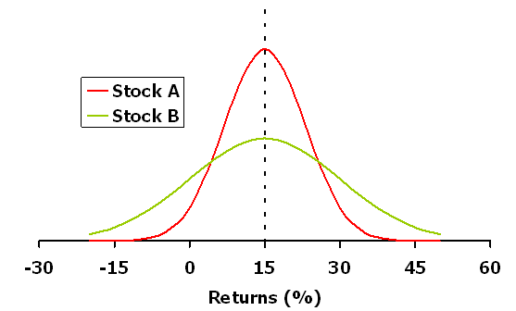

15

b. (1.) Why is the T-bill's return independent of the state of the economy? Do T-bills promise a completely risk-free return?

(2.) Why are Alta Industries' returns expected to move with the economy whereas Repo Men's are expected to move counter to the economy?

c. Calculate the expected rate of return on each alternative.

 | T-Bills | Alta Inds. | Repo Men | American Foam | Market Port.
Expected Return | 8% | 17.40% | 1.74% | 13.80% | 15.00%

d. You should recognize that basing a decision solely on expected returns is appropriate only for risk-neutral individuals. Because your client, like virtually everyone, is risk averse, the riskiness of each alternative is an important aspect of the decision. One possible measure of risk is the standard deviation of returns.

(1.) Calculate the standard deviation for each alternative.

 | T-Bills | Alta Inds. | Repo Men | American Foam | Market Port.
Standard Deviation | 0% | 20.0% | 13.4% | 18.8% | 15.3%

(2.) What type of risk is measured by the standard deviation?

e. Suppose you suddenly remembered that the coefficient of variation (CV) is generally regarded as being a better measure of stand-alone risk than the standard deviation when the alternatives being considered have widely differing expected returns. Calculate the missing CVs, and fill in the blanks on the row for CV. Does the CV produce the same risk rankings as the standard deviation?

 |  | T-Bills | Alta Inds. | Repo Men | American Foam | Market Port.
CV |  | 0.00 | 1.15 | 7.68 | 1.36 | 1.02

Rankings | Expected Return |  | Standard Deviation |  | CV
 | 15.00% | Market Port. | 20.0% | Alta Inds. | 7.68 | Repo Men
 | 17.40% | Alta Inds. | 18.8% | American Foam | 1.36 | American Foam
 | 13.80% | American Foam | 15.3% | Market Port. | 1.15 | Alta Inds.
 | 1.74% | Repo Men | 13.4% | Repo Men | 1.02 | Market Port.
 | 8.00% | T-Bills | 0.00% | T-Bills | 0.00 | T-Bills

f. Suppose you created a 2-stock portfolio by investing $50,000 in Alta Industries and $50,000 in Repo Men.
(1.) Calculate the expected return, the standard deviation, and the coefficient of variation (CVp) for this portfolio. (See below for answer.)

(2.) How does the risk of this 2-stock portfolio compare with the risk of the individual stocks if they were held in isolation?

PORTFOLIO RETURNS

The expected return on a portfolio is simply a weighted average of the expected returns of the individual assets in the portfolio.

Consider the following portfolio.

 | Portfolio weight | Expected Return
Stock |  |  |  | Estimate Portfolio Return
Alta Inds. | 0.5 | 17.4% |  | Recession | 3.00%
Repo Men | 0.5 | 1.7% |  | Below Avg. | 6.35%
 |  |  |  | Average | 10.00%
rp | 9.6% |  |  | Above Average | 12.50%
Standard Dev. | 3.3% |  |  | Boom | 15.00%
CV | 0.35
g. Suppose an investor starts with a portfolio consisting of one randomly selected stock. What would happen (1) to the risk and (2) to the expected return of the portfolio as more and more randomly selected stocks were added to the portfolio? What is the implication for investors? Draw a graph of the two portfolios to illustrate your answer.

PORTFOLIO RISK Perfect Negative Correlation
The standard deviation of a portfolio is generally not a weighted average of individual standard deviations--usually, it is much lower than the weighted average. The portfolio's SD is a weighted average only if all the securities in it are perfectly positively correlated, which is almost never the case. In the equally rare case where the stocks in a portfolio are perfectly negatively correlated, we can create a portfolio with absolutely no risk. Such is the case for the next example of Portfolio WM, a portfolio composed equally of Stocks W and M.

 | Stock W | Stock M | Portfolio WM
Year | Returns | Returns | (Equally weighted avg.)
2008 | 40% | -10% | 15%
2009 | -10% | 40% | 15%
2010 | 35% | -5% | 15%
2011 | -5% | 35% | 15%
2012 | 15% | 15% | 15%
Avg return | 15% | 15% | 15%
Std deviation | 22.64% | 22.64% | 0.00%
Correlation Coefficient |  |  | -1.00

These two stocks are perfectly negatively correlated--when one goes up, the other goes down by the same amount. We could use Excel's correlation function to find the correlation, but when exact positive or negative correlation occurs, an error message is given. We demonstrate correlation in a later section.

Perfect Positive Correlation. Now suppose the stocks were perfectly positively correlated, as in the following example:

 | Stock M | Stock M'
Year | Returns | Returns | Portfolio MM'
2008 | -10% | -10% | -10%
2009 | 40% | 40% | 40%
2010 | -5% | -5% | -5%
2011 | 35% | 35% | 35%
2012 | 15% | 15% | 15%
Average return | 15% | 15% | 15%
Standard deviation | 22.64% | 22.64% | 22.64%
Correlation Coefficient |  |  | 1.00

With perfect positive correlation, the portfolio is exactly as risky as the individual stocks.

Partial Correlation. Now suppose the stocks are positively but not perfectly so, with the following returns. What is the portfolio's expected return, standard deviation, and correlation coefficient?

 | Stock W | Stock Y
Year | Returns | Returns | Portfolio WY
2008 | 40% | 28% | 34%
2009 | -10% | 20% | 5%
2010 | 35% | 41% | 38%
2011 | -5% | -17% | -11%
2012 | 15% | 3% | 9%
Average return | 15% | 15% | 15%
Standard deviation | 22.64% | 22.57% | 20.63%
Correlation coefficient |  |  | 0.67

Here the portfolio is less risky than the individual stocks contained in it.

We found the correlation coefficient by using Excel's "CORREL" function. Click the wizard, then Statistical, then CORREL, and then use the mouse to select the ranges for stocks W and Y's returns. The correlation here is about what we would expect for two randomly selected stocks. Stocks in the same industry would tend to be more highly correlated than stocks in different industries.

Adding more stocks to a portfolio
The standard deviation of the portfolio would decrease because the stocks being added are not perfectly correlated. The expected return of the portfolio would remain relatively constant.

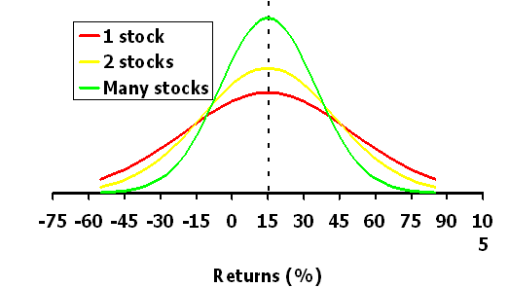

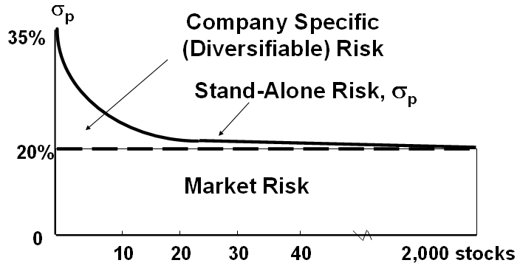
35

20

h. (1.) Should portfolio effects impact the way investors think about the risk of individual stocks?

(2.) If you decided to hold a 1-stock portfolio and consequently were exposed to more risk than diversified investors, could you expect to be compensated for all of your risk; that is, could you earn a risk premium on that part of your risk that you could have eliminated by diversifying?

Market Risk
The part of a security's stand alone risk that cannot be diversified away.
 |  |  |  |  | Stand-Alone Risk = Market Risk + Diversifiable Risk
Diversifiable Risk
The part of a security's stand alone risk that can be diversified away.

i. How is market risk measured for individual securities? How are beta coefficients calculated?

THE CONCEPT OF BETA
The beta coefficient reflects the tendency of a stock to move up and down with the market. An average-risk stock moves equally up and down with the market and has a beta of 1.0. Beta is found by regressing the stock's returns against returns on some market index. It is also useful to show graphs with individual stocks' returns on the vertical axis and market returns on the horizontal axis. The slopes of the lines represent the stocks betas.

j. Suppose you have the following historical returns for the stock market and for another company, P.Q. Unlimited. Explain how to calculate beta, and use the historical stock returns to calculate the beta for PQU. Interpret your results.

Year | Market | PQU |  | Run a regression with returns on the stock in question plotted on the Y axis and returns on the market portfolio plotted on the X axis.
1 | 25.7% | 40.0%
2 | 8.0% | -15.0%
3 | -11.0% | -15.0%
4 | 15.0% | 35.0%
5 | 32.5% | 10.0% |  | The slope of the regression line, which measures relative volatility, is defined as the stock’s beta coefficient, or b.
6 | 13.7% | 30.0%
7 | 40.0% | 42.0%
8 | 10.0% | -10.0%
9 | -10.8% | -25.0% |  | The regression line, and hence beta, can be found using a calculator with a regression function or a spreadsheet program. In this example, b = 0.83.
10 | -13.1% | 25.0%

Calculating Beta for PQU
 |  |  |  |  |  | To show the regression equation on the chart, follow these instructions: (1) select the chart with your cursor; (2) click on Chart on the menu bar (the menu will only show Chart if your cursor has already selected the embedded chart); (3) Choose the item Add Trendline...; (4) select the tab Options; (5) check the boxes for Display Equation and Display R-squared.

 |  |  |  |  |  | An even easier way to calculate beta, as shown below, is to use the function wizard to select the SLOPE function:

 |  |  |  |  |  | Beta (using the SLOPE function)=
 |  |  |  |  |  |  |  | 0.8308

k. The expected rates of return and the beta coefficients of the alternatives as supplied by Barney Smith's computer program are as follows:

Expected Return vs. Required Return

Security | Expected Return | Required Return
Alta | 17.40% | 17.1%
Market | 15.00% | 15.0%
Am Foam | 13.80% | 14.2%
T-bills | 8.00% | 8.0%
Repo Men | 1.74% | 1.9%

(1.) Do the expected returns appear to be related to each alternative's market risk?

(2.) Is it possible to choose among the alternatives on the basis of the information developed thus far?

l. (1.) Write out the Security Market Line (SML) equation, use it to calculate the required rate of return on each alternative, and then graph the relationship between the expected and required rates of return.

THE SECURITY MARKET LINE
The Security Market Line shows the relationship between a stock's beta and its expected return.

Risk-free rate (Varies over time) |  | 8%
Market return (Also varies over time) |  | 15%
Risk Premium |  | 7%

Security | Expected Return | Risk |  | Beta | Required Return
Alta | 17.4% | 1.30 |  | 1.30 | 17.1%
Market | 15.0% | 1.00 |  | 1.00 | 15.0%
Am Foam | 13.8% | 0.89 |  | 0.89 | 14.2%
T-bills | 8.0% | 0.00 |  | 0.00 | 8.0%
Repo Men | 1.7% | (0.87) |  | -0.87 | 1.9%

Required Rates of Return
SML equation = | ri = | rrf | + | (RPM)* b

Security Market Line
Alta | 17.1%
Market | 15.0%
Am. Foam | 14.2%
T-bills | 8.0%
Repo Men | 1.9%

(2.) How do the expected rates of return compare with the required rates of return?
(3.) Does the fact that Repo Men has an expected return that is less than the T-bill rate make any sense?
(4.) What would be the market risk and the required return of a 50-50 portfolio of Alta Industries and Repo Men? Of Alta Industries and American Foam?

 | Security | Expected Return |  | Required Return
 | Alta | 17.4% |  | 17.1% |  | Undervalued
 | Market | 15.0% |  | 15.0% |  | Fairly Valued
 | Am. Foam | 13.8% |  | 14.2% |  | Overvalued
 | T-bills | 8.0% |  | 8.0% |  | Fairly Valued
 | Repo Men | 1.7% |  | 1.9% |  | Overvalued

m. (1.) Suppose investors raised their inflation expectations by 3 percentage points over current estimates as reflected in the 8% T-bill rate. What effect would higher inflation have on the SML and on the returns required on high- and low-risk securities?

(2.) Suppose instead that investors' risk aversion increased enough to cause the market risk premium to increase by 3 percentage points. (Inflation remains constant.) What effect would this have on the SML and on returns of high- and low-risk securities?

The Security Market Line shows the projected changes in expected return, due to changes in the beta coefficient. However, we can also look at the potential changes in the required return due to variation of other factors, namely the market return and risk-free rate. In other words, we can see how required returns can be influenced by changing inflation and risk aversion. The level of investor risk aversion is measured by the market risk premium (rm-rrf), which is also the slope of the SML. Hence, an increase in the market return results in an increase in the maturity risk premium, other things held constant.

We will look at two potential conditions as shown in the following columns:

Scenario 1. Inflation Increases: |  |  | Scenario 2. Investors become more risk averse:
 | Old Risk-free Rate | 8% |  |  | Old Risk-free Rate | 8%
 | Change in inflation | 3% |  |  | Change in inflation | 0%
 | New Risk-free Rate | 11% |  |  | New Risk-free Rate | 8%
 | Old Market Risk Premium | 7% |  |  | Old Market Risk Premium | 7%
 | Increase in MRP | 0.0% |  |  | Increase in MRP | 3.0%
 | New Market Risk Premium | 7.0% |  |  | New Market Risk Premium | 10.0%
 | Beta | 1.00 |  |  | Beta | 1.00

 | Required Return | 18.0% |  |  | Required Return | 18.0%

Now, we can see how these two factors can affect a Security Market Line, by creating a table for the required return with different beta coefficients.

 | Required Return
Beta | Original Situation | Increased Inflation | Increased MRP

0.00 | 8.00% | 11.00% | 8.00%
0.50 | 11.50% | 14.50% | 13.00%
1.00 | 15.00% | 18.00% | 18.00%
1.50 | 18.50% | 21.50% | 23.00%
2.00 | 22.00% | 25.00% | 28.00%
The SML Under Different Conditions

The graph shows that as risk as measured by beta increases, so does the required rate of return on securities. However, the required return for any given beta varies depending on the position and slope of the SML.

