11
(11–11) | Sceanrio Analysis

Shao Industries is considering a proposed project for its capital budget. The company
estimates the project’s NPV is $12 million. This estimate assumes that the economy
and market conditions will be average over the next few years. The company’s CFO,
however, forecasts there is only a 50% chance that the economy will be average. Recognizing
this uncertainty, she has also performed the following scenario analysis:

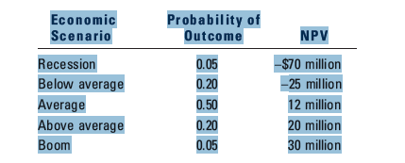

What is the project’s expected NPV, its standard deviation, and its coefficient of
variation?

16
11.16 Simulation

Singleton Supplies Corporation (SSC) manufactures medical products for hospitals,
clinics, and nursing homes. SSC may introduce a new type of X-ray scanner designed to
identify certain types of cancers in their early stages. There are a number of uncertainties
about the proposed project, but the following data are believed to be reasonably accurate.
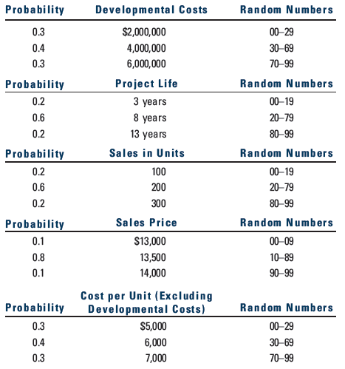

SSC uses a cost of capital of 15% to analyze average-risk projects, 12% for low-risk
projects, and 18% for high-risk projects. These risk adjustments primarily reflect the
uncertainty about each project’s NPV and IRR as measured by their coefficients of
variation. The firm is in the 40% federal-plus-state income tax bracket.

a. What is the expected IRR for the X-ray scanner project? Base your answer on
the expected values of the variables. Also, assume the after-tax “profits” figure
that you develop is equal to annual cash flows. All facilities are leased, so depreciation
may be disregarded. Can you determine the value of σIRR short of actual
simulation or a fairly complex statistical analysis?

b. Assume that SSC uses a 15% cost of capital for this project. What is the project’s
NPV? Could you estimate σNPV without either simulation or a complex statistical
analysis?

c. Show the process by which a computer would perform a simulation analysis for
this project. Use the random numbers 44, 17, 16, 58, 1; 79, 83, 86; and 19, 62, 6
to illustrate the process with the first computer run. Actually calculate the firstrun
NPV and IRR. Assume the cash flows for each year are independent of cash
flows for other years. Also, assume the computer operates as follows: (1) A developmental
cost and a project life are estimated for the first run using the first
two random numbers. (2) Next, sales volume, sales price, and cost per unit are
estimated using the next three random numbers and used to derive a cash flow
for the first year. (3) Then, the next three random numbers are used to estimate
sales volume, sales price, and cost per unit for the second year, hence the cash
flow for the second year. (4) Cash flows for other years are developed similarly,
on out to the first run’s estimated life. (5) With the developmental cost and the
cash flow stream established, NPV and IRR for the first run are derived and
stored in the computer’s memory. (6) The process is repeated to generate perhaps
500 other NPVs and IRRs. (7) Frequency distributions for NPV and IRR
are plotted by the computer, and the distributions’ means and standard deviations
are calculated.

