12-26
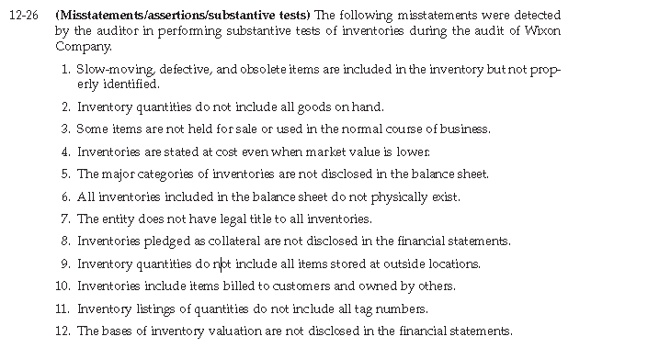

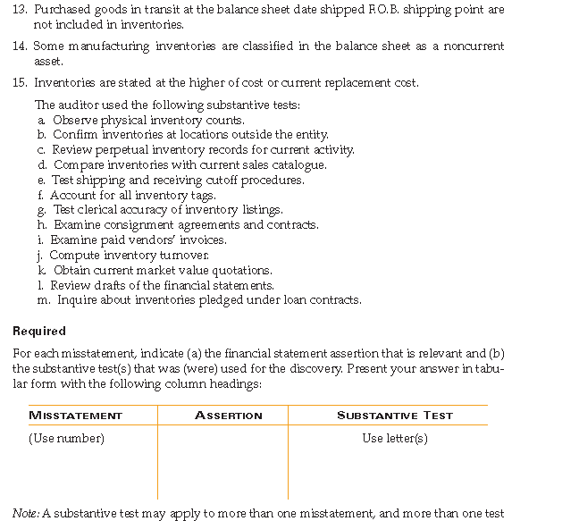

Misstatement | Assertion | Substantive Test
1
2
3
4
5
6
7
8
9
10
11
12
13
14
15

13-20
