Part 2 Summary
Color | Blue | Orange | Green | Yellow | Red | Brown
Total | 1967 | 1973 | 1684 | 1201 | 1196 | 1173
Proportions | 0.21394387644 | 0.21459647596 | 0.18316293235 | 0.13062867087 | 0.13008483794 | 0.12758320644

Sample Mean of number of candies per bag
55.7212 |  | <--rounded answer, carry at least 4-6 decimals for future calculations involving these statistics.

Sample Standard deviation of number of candies per bag
2.3649 |  | <--rounded answer, carry at least 4-6 decimals for future calculations involving these statistics.

Histogram

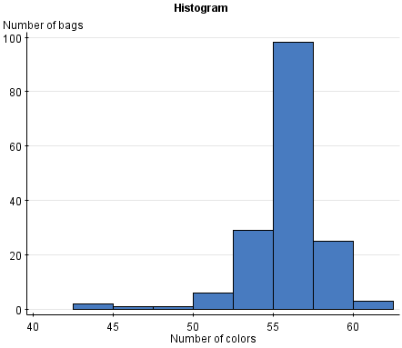

Sample size
9194 | Number of candies sampled
165 | Number of bags sampled

