Sheet1
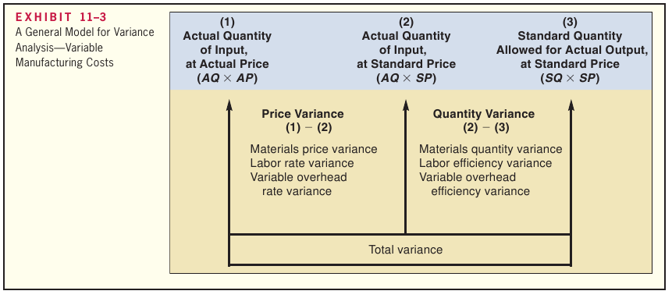

 | Cost per |  |  | Cost per
Helmets | Helmet |  |  | in RM
35000 | 0.6 | 21000 | (35000*.6) | 0.8 | 16800 | (21000*.8)

Actual Quantity of Input, atActual Price | Actual Quantity of Input, at Standard Price | Standard Quantity Allowed for Output, at Standard Price
(AQ × AP) | (AQ × SP) | (SQ × SP)
RM171,000 | 22,500 kilograms × | 21,000 kilograms* × |  |  | Price Variance, | Quantity Variance,
 | RM8 per kilogram | RM8 per kilogram |  |  | RM9,000 F | RM12,000 U
 | = RM180,000 | = RM168,000 |  |  | Total Variance,
 |  |  |  |  | RM3,000 U
171000 | 180000 | 9000 | Favorable | why?
168000 | 180000 | 12000 | Unfaborable | why?
 |  | 3000 | Unfaborable | why?

