Questions
MF workforce
Use a cell reference or a single formula where appropriate.

The spreadsheet shows the part-to-part ratio of Male to Female workers in the US.
United States |  |  |  |  | a.) | b.) | b.) | c.)
Year | # Workers | Male | : | Female |  | Number of Workers (millions)
 | (millions) | Employment Ratio |  |  | Whole | Male | Female | Ratio
1870 | 12.5 | 85 | : | 15
a.) The ratio 85 : 15 is part-to-part, male to female workers for the year 1870. Compute the Whole for this ratio by adding the numbers together.
1880 | 17.4 | 85 | : | 15
1890 | 23.3 | 83 | : | 17
1900 | 29.1 | 82 | : | 18 |  |  |  |  |  |  | e.)
b.) Compute the number of Male and Female workers for each year given using the part-to-whole ratios. Format to three decimal places.
1910 | 38.2 | 79 | : | 21
1920 | 41.6 | 79 | : | 21
1930 | 48.8 | 78 | : | 22
1940 | 53 | 76 | : | 24
c.) The World Bank computes the ratio of female to male workers labor force participation rate (%) for each country. Compute this statistic by taking the ratio of female to male workers and scale the second quantity to 100. Format to three decimal places.
1950 | 59.6 | 72 | : | 28
1960 | 69.9 | 68 | : | 32
1970 | 82.1 | 63 | : | 37
1980 | 108.5 | 58 | : | 42
1990 | 118.8 | 55 | : | 45
d.) Is it possible for a country to have the percentage ratio of female to male workers be over 100?
2000 | 134.3 | 53 | : | 47
2012 | 154.9 | 52 | : | 48

 |  |  |  |  |  |  |  |  | d.) | Over 100?

e.) Create a well labeled line graph showing the number of male and female workers over time. You should have one line for male and one line for female using two different colors by years, axes labeled and an appropriate title. A key showing lables for each of the two color lines should be included. Axis labels and title should be chosen from the list:
a. Years
b. Numbers in Millions
c. Labor Force Participation by Gender

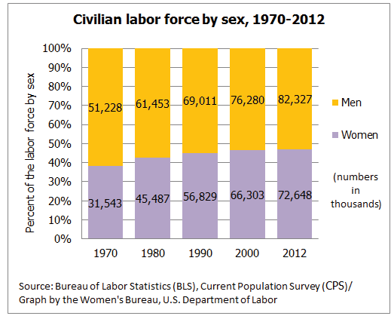
 |  |  |  |  |  |  |  |  |  |  | f.)

f.) Create a 100% stacked column chart showing the number of male and female workers over time similar to the one shown to the left created by the BLS. Label the horizontal axis, include a title and show a key for the two colors used in the stacked columns representing male and female. Colors should align with the colors selected for part e.).
Axis label and title should be chosen from the list:
a. Years
b. Civilian Labor Force by Sex 1870 - 2012 (NUMBERS IN MILLIONS)

